Sheet1
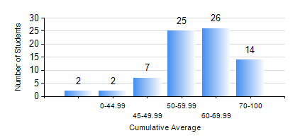
 |  |  | KWAME NKRUMAH UNIVERSITY OF SCIENCE AND TECHNOLOGY, KUMASI Department of Mechanical Engineering

 |  |  | BSC. INDUSTRIAL ENG.

 |  |  | COMPREHENSIVE RECORD OF EXAMINATION RESULTS

 |  |  | RESULTS OF YEAR 1 SECOND SEMESTER, 2023/2024 ACADEMIC YEAR

 | Sn | Course Code |  | Course Name | Credit Hours | Min. Mark | Max. Mark | Avg. Mark | Std. Dev. | No. Passed | No. Trailed | No. (Df) | No. (I) | No. (I*) | No. Tagged(I,I*,Df) | Total
 | 0. |  |  |  |  |  |  | 0 | 0 | 0 | 0 | 0 | 0 | 0 | 0 | 3
 | 1. | EE 152 |  | BASIC ELECTRONICS | 2 | 23 | 75 | 53 | 13.13 | 64 | 9 | 0 | 0 | 0 | 0 | 73
 | 2. | ENGL 158 |  | COMMUNICATION SKILLS II | 2 | 43 | 93 | 71 | 13.74 | 73 | 0 | 0 | 0 | 0 | 0 | 73
 | 3. | IE 174 |  | FIRST YEAR DESIGN PROJECT | 2 | 21 | 78 | 69 | 8.14 | 72 | 1 | 0 | 0 | 0 | 0 | 73
 | 4. | MATH 152 |  | CALCULUS WITH ANALYSIS | 4 | 47 | 83 | 63 | 8.35 | 73 | 0 | 0 | 0 | 0 | 0 | 73
 | 5. | ME 160 |  | ENGINEERING DRAWING | 3 | 43 | 86 | 64 | 11.15 | 72 | 0 | 0 | 1 | 0 | 1 | 73
 | 6. | ME 164 |  | STATICS OF SOLID MECHANICS | 2 | 22 | 99 | 73 | 17.03 | 72 | 1 | 0 | 0 | 0 | 0 | 73
 | 7. | ME 168 |  | COMPUTER PROGRAMMING FOR ENGINEERS | 2 | 12 | 88 | 55 | 15.38 | 68 | 5 | 0 | 0 | 0 | 0 | 73

